Sheet1
S | I |  | S | I
0.75 | 0.5 |  | 0.2 | 0.2
0.25 | 0.5 |  | -0.2 | -0.1

S | I
0.1 | 0.05

Difference | 0.05
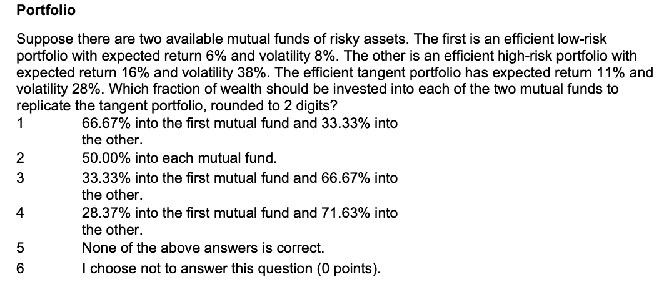

R1 | 0.06
R2 | 0.16
ER | 0.11

x= | (rp-r2)/(r1-r2)
x= | 0.5

We can check this by plugging into the formula
RP | 0.11
Svar | 2
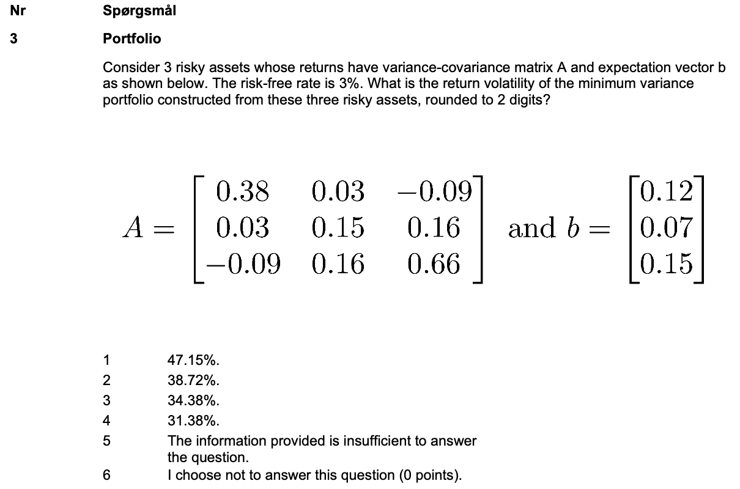

 | 0.38 | 0.03 | -0.09 |  |  | 0.12
A | 0.03 | 0.15 | 0.16 |  | b | 0.07
 | -0.09 | 0.16 | 0.66 |  |  | 0.15

Ones | 1 |  | z | 2.28 |  | x | 0.27
 | 1 |  |  | 5.75 |  |  | 0.68
 | 1 |  |  | 0.43 |  |  | 0.05
 |  |  | Z | 8.46 |  | X | 1

ER | 0.0876
Var | 0.1182
Vol | 0.3438
Svar | 3
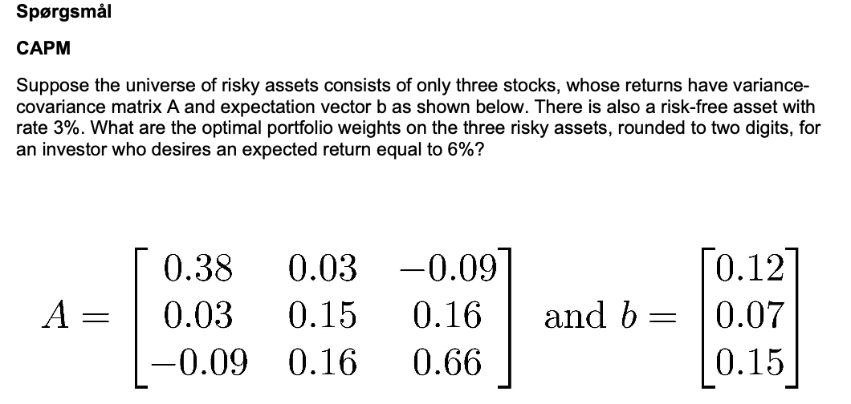

 |  |  |  |  |  |  |  | rf | 0.03

 | 0.38 | 0.03 | -0.09 |  |  | 0.12 |  |  | 0.09
A | 0.03 | 0.15 | 0.16 |  | b | 0.07 |  | b-rf | 0.04
 | -0.09 | 0.16 | 0.66 |  |  | 0.15 |  |  | 0.12

z | 0.29 |  | x | 0.61 |  | ER | 0.14
 | -0.04 |  |  | -0.08 |  | Var | 0.22
 | 0.23 |  |  | 0.48 |  | Vol | 0.47
Z | 0.49 |  | X | 1

ER_p | 0.06
x= | (rp-r2)/(r1-r2)
x= | 0.27703098922

etp*x | 0.17
 | -0.02
 | 0.13

Svar | 3
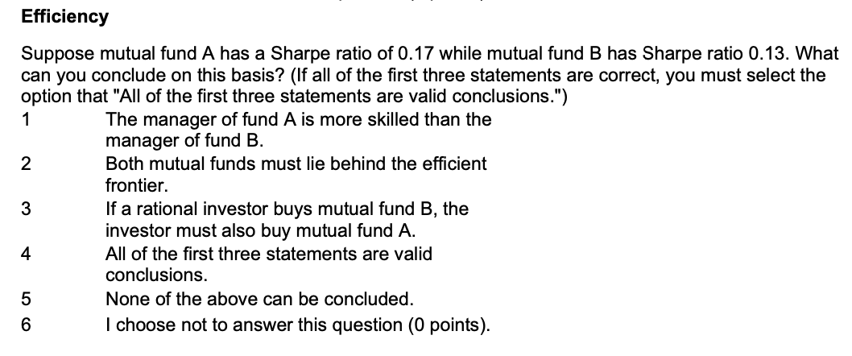

We can't say shit based on the Sharpe Ratio
1. ESG fund maybe
2. Dnno, depends on the market values we do not have
3. Nah brother
4. None of the above
Svar | 5
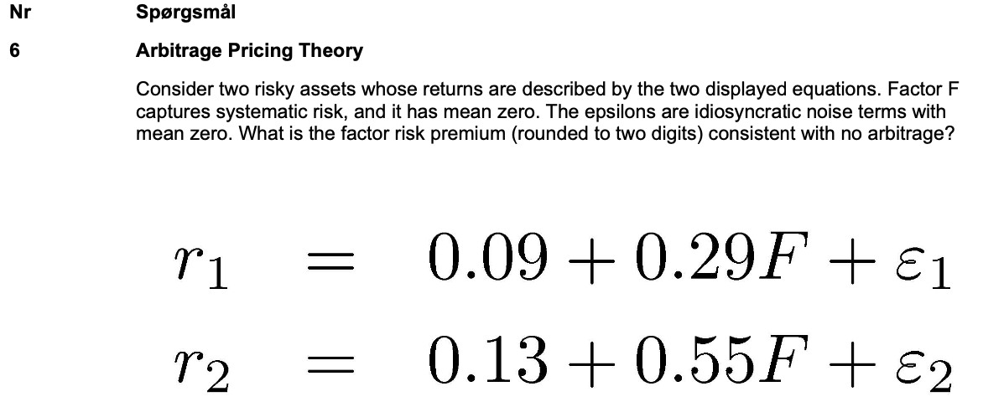

0.09 |  | 0.29 | 1
0.13 |  | 0.55 | 1

Slave method

0 | 1
1 | 1

Risk-free | 2.12 | -1.12 | 1
State | -1.73 | 2.73 | 1

Risk-free | 0.05 |  | We can check |  | 0.15384615385
State | 0.20 |  |  |  | 0.045384615385
 |  |  | This is true
Difference | 0.15

Svar | 2
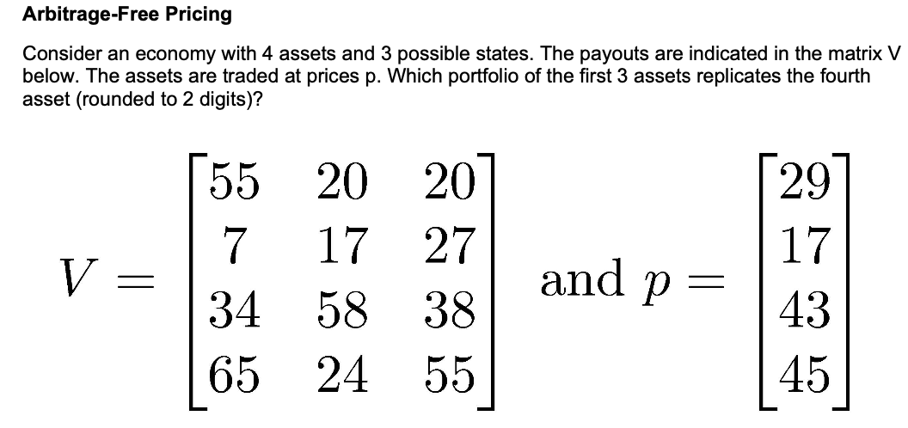

55 | 20 | 20 |  |  | 29
7 | 17 | 27 |  |  | 17
34 | 58 | 38 |  |  | 43
65 | 24 | 55 |  |  | 45

We replicate the weights |  |  | Can we find the same price?
 |  |  | Price | 44.71
1.31 | 1.91 | -0.60 |  | Yes

Svar | 4

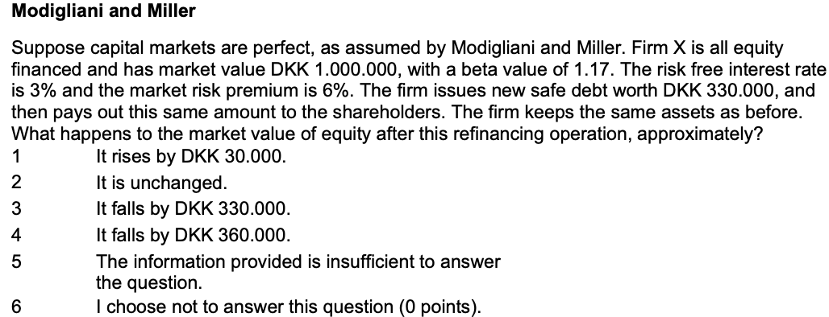

Perfect capital markets |  |  |  |  |  |  | 24
Firm issues debt of 330
Firm pays out 330

Market val of equity must fall by 330 then

Svar | 3

1. Holder
2. ændrer man D/E ratio må der ske something
3. Tax shield bliver større, hvorfor wacc må falde
4. Dette holder. Mere debt må betyde større tax shield
5. Assets are fixed brother

Svar | 3

The old creditors have no covenants
Increasing debt
Svar | 2

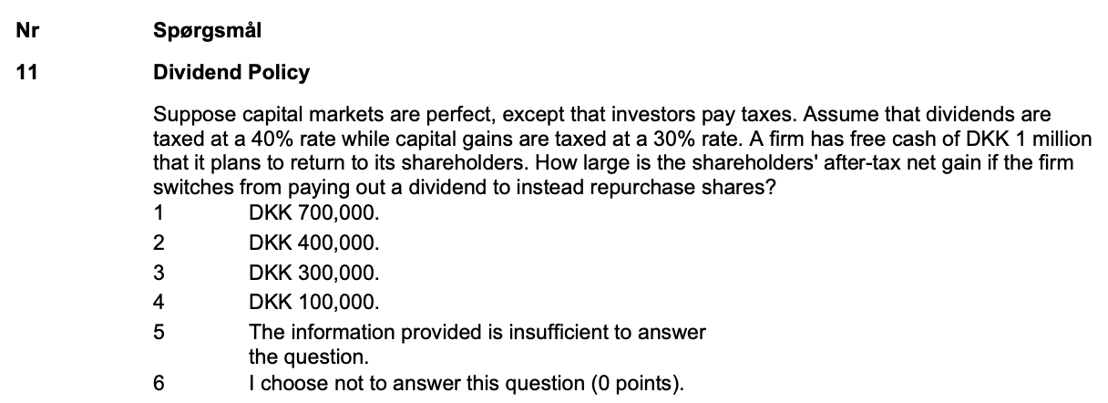

t_d | 0.4
t_g | 0.3

Paid out | 1000

Dividend | 600
Gains | 700

Difference | 100
Svar | 4

We can use the put-call-parity
C= | P+S-dis(K)
C | 20.06

Svar | 2
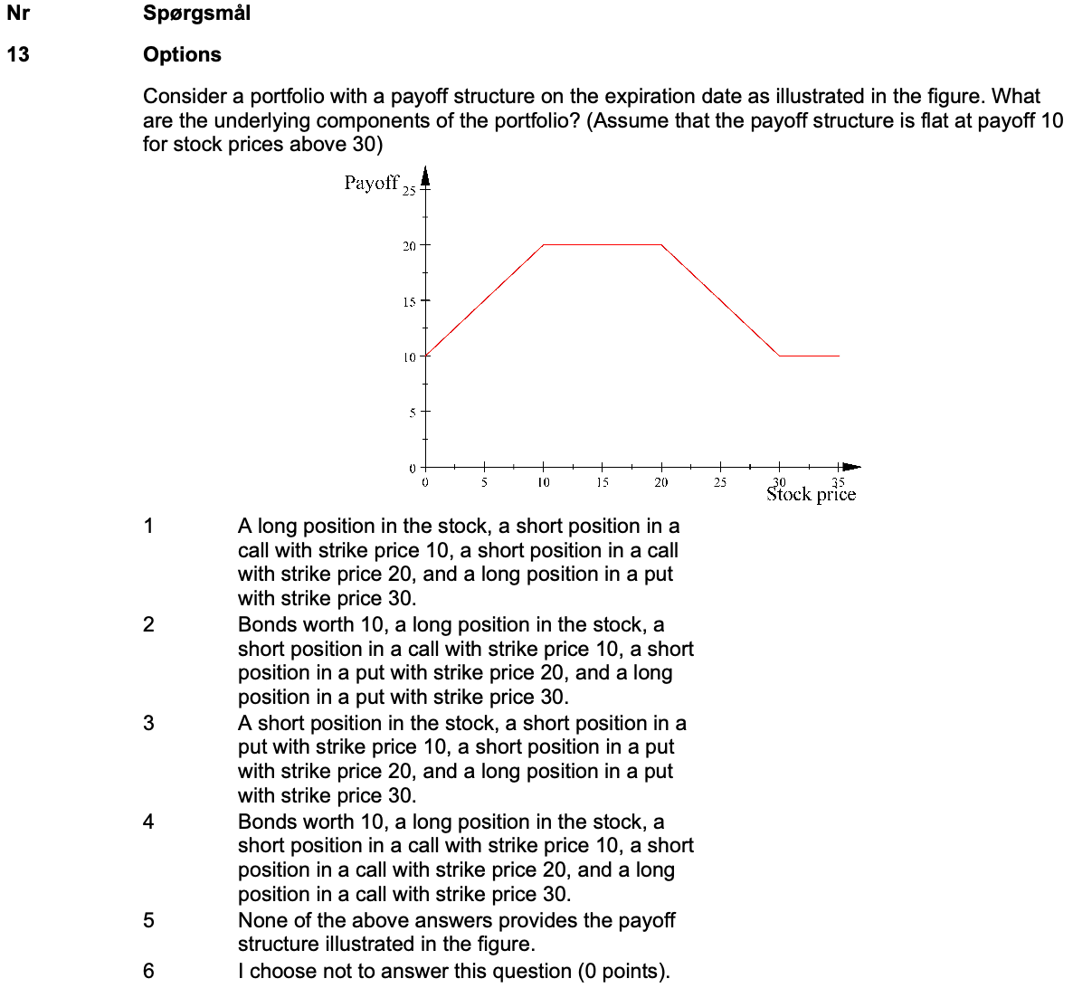

1 | S | L in S | S in C, K=10 | S in C, K=20 | L in P,K=30 | Profit |  | 2 | S | Bonds | L in S | S in C, K=10 | S in P, K=20 | L in P, K=30 | Profit
 | 0 | 0 | 0 | 0 | 30 | 30 |  |  | 0 | 10 | 0 | 0 | -20 | 0 | -10
 | 5 | 5 | 0 | 0 | 25 | 30 |  |  | 5 | 10 | 5 | 0 | -15 | 0 | 0
 | 10 | 10 | 0 | 0 | 20 | 30 |  |  | 10 | 10 | 10 | 0 | -10 | 0 | 10
 | 15 | 15 | -5 | 0 | 15 | 25 |  |  | 15 | 10 | 15 | -5 | -5 | 0 | 15
 | 20 | 20 | -10 | 0 | 10 | 20 |  |  | 20 | 10 | 20 | -10 | 0 | 0 | 20
 | 25 | 25 | -15 | -5 | 5 | 10 |  |  | 25 | 10 | 25 | -15 | 0 | 0 | 20
 | 30 | 30 | -20 | -10 | 0 | 0 |  |  | 30 | 10 | 30 | -20 | 0 | 0 | 20
 | 35 | 35 | -25 | -15 | 0 | -5 |  |  | 35 | 10 | 35 | -25 | 0 | 5 | 25

 |  |  |  |  |  |  |  | 4 | S | Bonds | L in S | S in C, K=10 | S in C, K=20 | L in C, K=30 | Profit
 |  |  |  |  |  |  |  |  | 0 | 10 | 0 | 0 | 0 | 0 | 10
 |  |  |  |  |  |  |  |  | 5 | 10 | 5 | 0 | 0 | 0 | 15
 |  |  |  |  |  |  |  |  | 10 | 10 | 10 | 0 | 0 | 0 | 20
 |  |  |  |  |  |  |  |  | 15 | 10 | 15 | -5 | 0 | 0 | 20
 |  |  |  |  |  |  |  |  | 20 | 10 | 20 | -10 | 0 | 0 | 20
 |  |  |  |  |  |  |  |  | 25 | 10 | 25 | -15 | -5 | 0 | 15
 |  |  |  |  |  |  |  |  | 30 | 10 | 30 | -20 | -10 | 0 | 10
 |  |  |  |  |  |  |  |  | 35 | 10 | 35 | -25 | -15 | 5 | 10

Svar | 4

Rf | 0.05
Strike | 100
 |  | 122
 | 111 | 101
100 | 90 | 80
t_0 | t_1 | t_2

 |  | 22
 | 11 | 1
 | 0 | 0
t_0 | t_1 | t_2

 | 0.74
0.71 | 0.69
c_0 | c_1

 | 15.76
10.90 | 0.66
t_0 | t_1
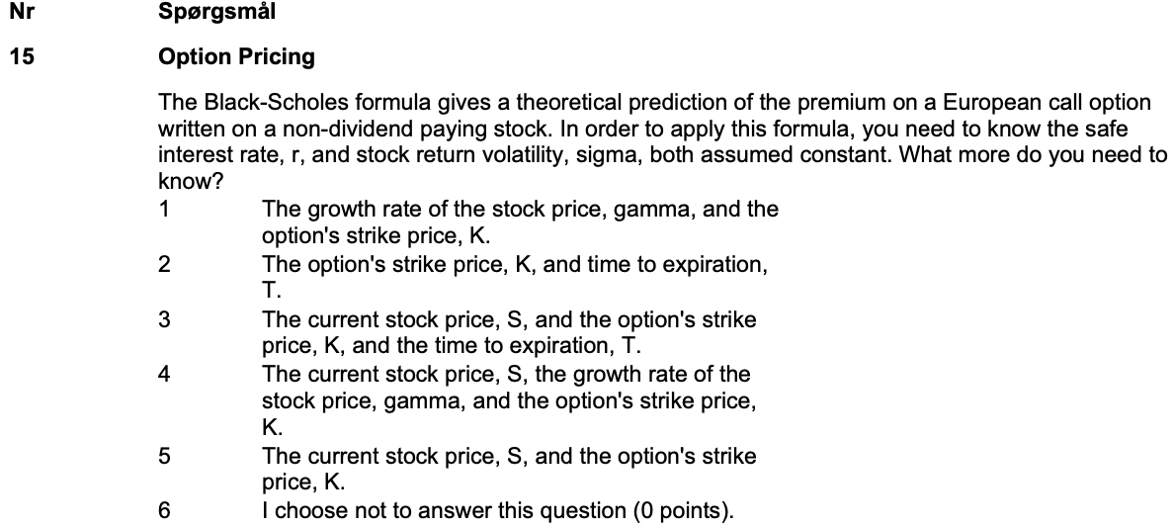

The BSM inputs are |  | We have
Sigma |  | 1
Stock
Strike
Time to expiry
Risk-free |  | 1

Svar | 3

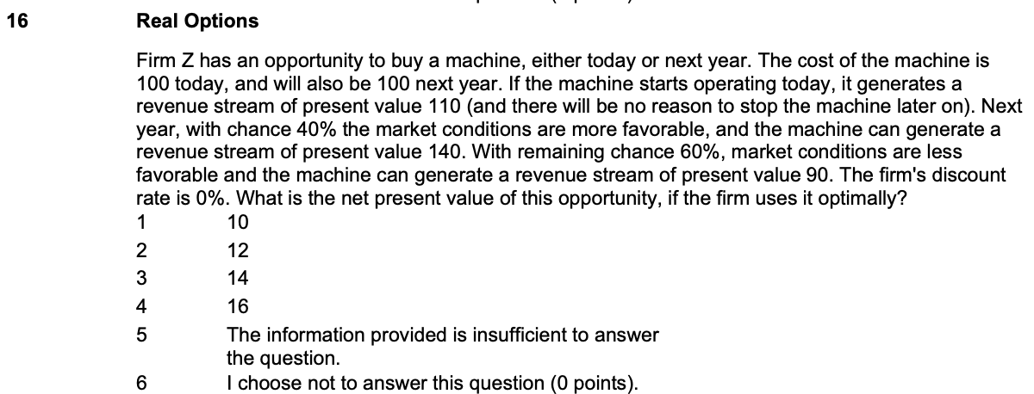

Cost | 100
 |  |  | Prob
 | 40 |  | 0.4
10 | 0 |  | 0.6
t | T

Val of option | 16
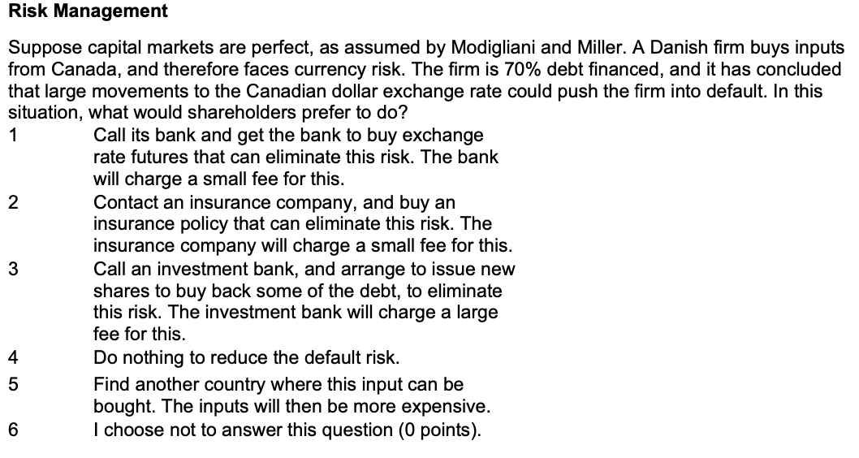

In MM, we just reshuffle the risk and return

Svar | 4
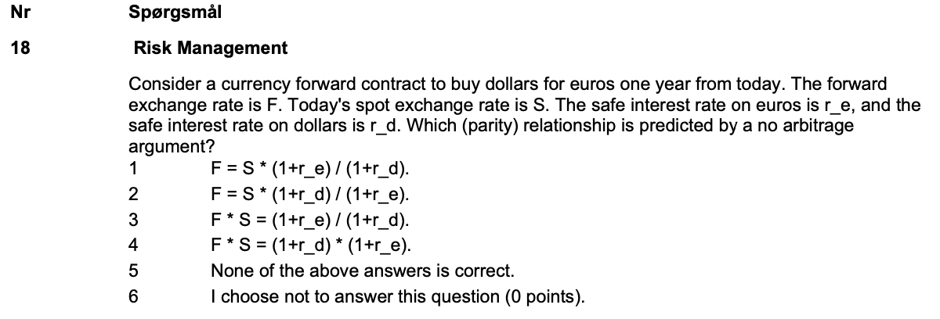

Svar | 2

